Location Plan & Summary
Intelligent Data Collection Limited

Client: | Bristol City Council |  |  | Date of Survey: |  | 09.07.2015
Project Number: | ID02343 |  |  | Site Name: |  | Woodbine Road
Site Number: | ANPR Site 4 |  |  | Survey Type: |  | Two-way Link Count

X Coordinate |  | Y Coordinate |  |  | Google Maps Link
51.461905 |  | -2.554714 |  |  | Click Here
AM Peak Conditions |  | Inter-Peak Conditions |  |  | PM Peak Conditions
Clear and Sunny |  | Clear and Sunny |  |  | Clear and Sunny
Junction Layout

N
 |  |  |  |  |  | Arm B - Woodbine Rd (N)

 |  |  | Arm A - Woodbine Rd (S)

Aerial Mapping and On-site Camera View
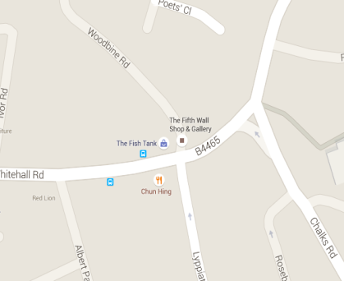

Arm B - Woodbine Rd (N)

Arm A - Woodbine Rd (S)

Junction Flow Profile
Arm Approach Flows (All Vehicles)
 | A to B (Northbound) | B to A (Southbound) | Two-way Total
7:00:00 | 1 | 1 | 2
7:15:00 | 4 | 3 | 7
7:30:00 | 15 | 1 | 16
7:45:00 | 16 | 6 | 22
8:00:00 | 15 | 4 | 19
8:15:00 | 11 | 3 | 14
8:30:00 | 13 | 3 | 16
8:45:00 | 9 | 3 | 12
9:00:00 | 8 | 9 | 17
9:15:00 | 4 | 3 | 7
9:30:00 | 9 | 5 | 14
9:45:00 | 9 | 3 | 12
10:00:00 | 6 | 3 | 9
10:15:00 | 3 | 3 | 6
10:30:00 | 4 | 3 | 7
10:45:00 | 8 | 1 | 9
11:00:00 | 4 | 1 | 5
11:15:00 | 5 | 2 | 7
11:30:00 | 6 | 4 | 10
11:45:00 | 7 | 2 | 9
12:00:00 | 4 | 5 | 9
12:15:00 | 4 | 3 | 7
12:30:00 | 4 | 1 | 5
12:45:00 | 3 | 3 | 6
13:00:00 | 3 | 1 | 4
13:15:00 | 4 | 4 | 8
13:30:00 | 4 | 3 | 7
13:45:00 | 3 | 3 | 6
14:00:00 | 7 | 1 | 8
14:15:00 | 7 | 4 | 11
14:30:00 | 5 | 4 | 9
14:45:00 | 4 | 2 | 6
15:00:00 | 8 | 4 | 12
15:15:00 | 8 | 2 | 10
15:30:00 | 5 | 3 | 8
15:45:00 | 7 | 5 | 12
16:00:00 | 2 | 7 | 9
16:15:00 | 2 | 1 | 3
16:30:00 | 2 | 4 | 6
16:45:00 | 7 | 7 | 14
17:00:00 | 6 | 7 | 13
17:15:00 | 2 | 9 | 11
17:30:00 | 6 | 4 | 10
17:45:00 | 10 | 4 | 14
18:00:00 | 3 | 8 | 11
18:15:00 | 3 | 3 | 6
18:30:00 | 6 | 8 | 14
18:45:00 | 7 | 6 | 13

Additional Notes (Factors which may impact on survey results such as accidents, roadworks, special events):

